Sheet1
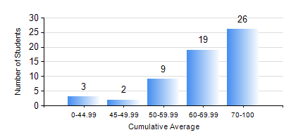
 |  |  | KWAME NKRUMAH UNIVERSITY OF SCIENCE AND TECHNOLOGY, KUMASI Department of Chemical Engineering

 |  |  | BSC. PETROCHEMICAL ENG.

 |  |  | COMPREHENSIVE RECORD OF EXAMINATION RESULTS

 |  |  | RESULTS OF YEAR 1 SECOND SEMESTER, 2024/2025 ACADEMIC YEAR

 | Sn | Course Code |  | Course Name | Credit Hours | Min. Mark | Max. Mark | Avg. Mark | Std. Dev. | No. Passed | No. Trailed | No. (Df) | No. (I) | No. (I*) | No. Tagged(I,I*,Df) | Total
 | 1. | CHE 156 |  | PHYSICAL CHEMISTRY FOR ENGINEERS | 2 | 0 | 98 | 74 | 20.97 | 56 | 3 | 0 | 0 | 0 | 0 | 59
 | 2. | EE 152 |  | BASIC ELECTRONICS | 2 | 4 | 94 | 75 | 17.36 | 57 | 2 | 0 | 0 | 0 | 0 | 59
 | 3. | ENGL 158 |  | COMMUNICATION SKILLS II | 2 | 11 | 84 | 69 | 13.96 | 57 | 2 | 0 | 0 | 0 | 0 | 59
 | 4. | MATH 152 |  | CALCULUS WITH ANALYSIS | 4 | 0 | 91 | 69 | 14.85 | 58 | 1 | 0 | 0 | 0 | 0 | 59
 | 5. | ME 162 |  | BASIC MECHANICS | 3 | 0 | 96 | 76 | 20.64 | 56 | 3 | 0 | 0 | 0 | 0 | 59
 | 6. | PCE 158 |  | INTRODUCTION TO INFORMATION TECHNOLOGY | 2 | 23 | 90 | 65 | 10.93 | 57 | 2 | 0 | 0 | 0 | 0 | 59
 | 7. | PHY 170 |  | GENERAL PHYSICS | 3 | 0 | 89 | 69 | 15.44 | 55 | 4 | 0 | 0 | 0 | 0 | 59

